Sheet1
No.Of Patient
Distinct Count of Patient Id |  |  |  |  |  | satsfaction score daily trend
489 |  | daily trends of No.Of Patient |  |  |  | Row Labels | Average of Patient Satisfaction Score
 |  | Row Labels | Distinct Count of Patient Id | Row Labels | Average of Patient Waittime | 1-Dec | 9.00
 |  | 1-Dec | 16 | 1-Dec | 34.50 | 2-Dec | 4.40
 |  | 2-Dec | 15 | 2-Dec | 35.40 | 3-Dec | 4.00
No.Of Patient |  | 3-Dec | 14 | 3-Dec | 34.93 | 4-Dec | 0.00
Average of Patient Waittime |  | 4-Dec | 12 | 4-Dec | 44.25 | 5-Dec | 2.88
34.76 |  | 5-Dec | 16 | 5-Dec | 40.19 | 6-Dec | 5.25
 |  | 6-Dec | 11 | 6-Dec | 35.00 | 8-Dec | 6.00
 |  | 7-Dec | 7 | 7-Dec | 43.14 | 9-Dec | 6.50
No.Of Patient |  | 8-Dec | 16 | 8-Dec | 43.69 | 10-Dec | 5.50
Average of Patient Satisfaction Score |  | 9-Dec | 7 | 9-Dec | 33.86 | 11-Dec | 5.67
4.68 |  | 10-Dec | 16 | 10-Dec | 40.19 | 12-Dec | 5.25
 |  | 11-Dec | 16 | 11-Dec | 34.94 | 13-Dec | 7.25
 |  | 12-Dec | 19 | 12-Dec | 28.68 | 14-Dec | 6.00
 |  | 13-Dec | 10 | 13-Dec | 25.00 | 15-Dec | 4.60
 |  | 14-Dec | 13 | 14-Dec | 35.46 | 16-Dec | 8.00
 |  | 15-Dec | 27 | 15-Dec | 33.81 | 17-Dec | 3.67
 |  | 16-Dec | 19 | 16-Dec | 33.63 | 18-Dec | 2.43
 |  | 17-Dec | 18 | 17-Dec | 36.61 | 19-Dec | 9.00
 |  | 18-Dec | 12 | 18-Dec | 30.50 | 20-Dec | 6.00
 |  | 19-Dec | 20 | 19-Dec | 33.60 | 21-Dec | 4.00
 |  | 20-Dec | 12 | 20-Dec | 26.75 | 22-Dec | 4.83
 |  | 21-Dec | 19 | 21-Dec | 37.68 | 23-Dec | 3.60
 |  | 22-Dec | 18 | 22-Dec | 36.61 | 24-Dec | 5.00
 |  | 23-Dec | 21 | 23-Dec | 35.43 | 25-Dec | 5.25
 |  | 24-Dec | 18 | 24-Dec | 31.94 | 26-Dec | 3.20
 |  | 25-Dec | 16 | 25-Dec | 31.88 | 27-Dec | 5.50
 |  | 26-Dec | 14 | 26-Dec | 28.64 | 28-Dec | 3.00
 |  | 27-Dec | 14 | 27-Dec | 39.21 | 29-Dec | 3.91
 |  | 28-Dec | 16 | 28-Dec | 32.06 | 30-Dec | 2.67
 |  | 29-Dec | 21 | 29-Dec | 28.29 | Grand Total | 4.68
 |  | 30-Dec | 21 | 30-Dec | 35.48
 |  | 31-Dec | 15 | 31-Dec | 39.80
 |  | Grand Total | 489 | Grand Total | 34.76

Row Labels | Count of Patient Admission Flag | Count of Patient Admission Flag2
Admited | 250 | 51.12%
Not Admited | 239 | 48.88%
Grand Total | 489 | 100.00%

Admission Satus | Patients | %Status
Not Admited | 239 | 49%
Admited | 250 | 51%

age group analysis
Row Labels | Count of Patient Age Group
0-9 | 49
10-19 | 56
20-29 | 71
30-39 | 72
40-49 | 64
50-59 | 60
60-69 | 64
70-79 | 53
Grand Total | 489

attended status
Row Labels | Count of Patient Attent Status
Delay | 286
Ontime | 203
Grand Total | 489

gender
Row Labels | Count of Patient Gender
Female | 240
Male | 249
Grand Total | 489

Row Labels | Count of Department Referral
Renal | 8
Gastroenterology | 8
Neurology | 11
Physiotherapy | 12
Cardiology | 18
Orthopedics | 44
General Practice | 110
None | 278
Grand Total | 489

Row Labels
2023
Grand Total

Dashboard
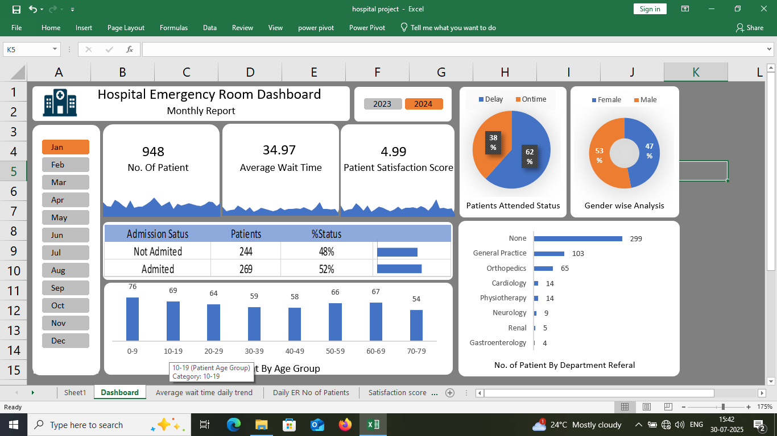
Hospital Emergency Room Dashboard
 | Total
Delay | 286
Ontime | 203
 | Total
Female | 240
Male | 249
Monthly Report
yy
yy
34.97
yy
948
No. Of Patient
Average Wait Time
 | Total
1-Dec | 9.00
2-Dec | 4.40
3-Dec | 4.00
4-Dec | 0.00
5-Dec | 2.88
6-Dec | 5.25
8-Dec | 6.00
9-Dec | 6.50
10-Dec | 5.50
11-Dec | 5.67
12-Dec | 5.25
13-Dec | 7.25
14-Dec | 6.00
15-Dec | 4.60
16-Dec | 8.00
17-Dec | 3.67
18-Dec | 2.43
19-Dec | 9.00
20-Dec | 6.00
21-Dec | 4.00
22-Dec | 4.83
23-Dec | 3.60
24-Dec | 5.00
25-Dec | 5.25
26-Dec | 3.20
27-Dec | 5.50
28-Dec | 3.00
29-Dec | 3.91
30-Dec | 2.67
Patient Satisfaction Score
4.99
 | Total
1-Dec | 16
2-Dec | 15
3-Dec | 14
4-Dec | 12
5-Dec | 16
6-Dec | 11
7-Dec | 7
8-Dec | 16
9-Dec | 7
10-Dec | 16
11-Dec | 16
12-Dec | 19
13-Dec | 10
14-Dec | 13
15-Dec | 27
16-Dec | 19
17-Dec | 18
18-Dec | 12
19-Dec | 20
20-Dec | 12
21-Dec | 19
22-Dec | 18
23-Dec | 21
24-Dec | 18
25-Dec | 16
26-Dec | 14
27-Dec | 14
28-Dec | 16
29-Dec | 21
30-Dec | 21
31-Dec | 15
 | Total
1-Dec | 9.00
2-Dec | 4.40
3-Dec | 4.00
4-Dec | 0.00
5-Dec | 2.88
6-Dec | 5.25
8-Dec | 6.00
9-Dec | 6.50
10-Dec | 5.50
11-Dec | 5.67
12-Dec | 5.25
13-Dec | 7.25
14-Dec | 6.00
15-Dec | 4.60
16-Dec | 8.00
17-Dec | 3.67
18-Dec | 2.43
19-Dec | 9.00
20-Dec | 6.00
21-Dec | 4.00
22-Dec | 4.83
23-Dec | 3.60
24-Dec | 5.00
25-Dec | 5.25
26-Dec | 3.20
27-Dec | 5.50
28-Dec | 3.00
29-Dec | 3.91
30-Dec | 2.67
Patients Attended Status
Gender wise Analysis
 | Total
Renal | 8
Gastroenterology | 8
Neurology | 11
Physiotherapy | 12
Cardiology | 18
Orthopedics | 44
General Practice | 110
None | 278
yy

 | Total
0-9 | 49
10-19 | 56
20-29 | 71
30-39 | 72
40-49 | 64
50-59 | 60
60-69 | 64
70-79 | 53
yy

No. of Patient By Department Referal
No.Of Patient By Age Group

Average wait time daily trend
 | Total
1-Dec | 9.00
2-Dec | 4.40
3-Dec | 4.00
4-Dec | 0.00
5-Dec | 2.88
6-Dec | 5.25
8-Dec | 6.00
9-Dec | 6.50
10-Dec | 5.50
11-Dec | 5.67
12-Dec | 5.25
13-Dec | 7.25
14-Dec | 6.00
15-Dec | 4.60
16-Dec | 8.00
17-Dec | 3.67
18-Dec | 2.43
19-Dec | 9.00
20-Dec | 6.00
21-Dec | 4.00
22-Dec | 4.83
23-Dec | 3.60
24-Dec | 5.00
25-Dec | 5.25
26-Dec | 3.20
27-Dec | 5.50
28-Dec | 3.00
29-Dec | 3.91
30-Dec | 2.67

Use an area sparkline to track daily changes and highlight days with longer wait times that might need improvements

Daily ER No of Patients
 | Total
1-Dec | 16
2-Dec | 15
3-Dec | 14
4-Dec | 12
5-Dec | 16
6-Dec | 11
7-Dec | 7
8-Dec | 16
9-Dec | 7
10-Dec | 16
11-Dec | 16
12-Dec | 19
13-Dec | 10
14-Dec | 13
15-Dec | 27
16-Dec | 19
17-Dec | 18
18-Dec | 12
19-Dec | 20
20-Dec | 12
21-Dec | 19
22-Dec | 18
23-Dec | 21
24-Dec | 18
25-Dec | 16
26-Dec | 14
27-Dec | 14
28-Dec | 16
29-Dec | 21
30-Dec | 21
31-Dec | 15

Showing a Daily trend with an area sparkline to spot ptterns like busy days or seasonal trends

Satisfaction score daily trends
 | Total
1-Dec | 9.00
2-Dec | 4.40
3-Dec | 4.00
4-Dec | 0.00
5-Dec | 2.88
6-Dec | 5.25
8-Dec | 6.00
9-Dec | 6.50
10-Dec | 5.50
11-Dec | 5.67
12-Dec | 5.25
13-Dec | 7.25
14-Dec | 6.00
15-Dec | 4.60
16-Dec | 8.00
17-Dec | 3.67
18-Dec | 2.43
19-Dec | 9.00
20-Dec | 6.00
21-Dec | 4.00
22-Dec | 4.83
23-Dec | 3.60
24-Dec | 5.00
25-Dec | 5.25
26-Dec | 3.20
27-Dec | 5.50
28-Dec | 3.00
29-Dec | 3.91
30-Dec | 2.67

Use an area chart to show trends,spot drops in satisfaction and link them to busy times or challenges.

